Q-2
INTRODUCTION TO STATISTICS

Question 2. Analyze the below data and tell whether you can conclude that smoking causes cancer or not?

 | CATEGORIES |  | CANCER PATIENTS | NON CANCER PATIENTS |  | TOTAL

 | SMOKERS |  | 220 | 230 |  | 450
 |  |  |  |  |  |  |  |  | ROW TOTALS
 | NON- SMOKERS |  | 350 | 640 |  | 990

 | TOTAL |  | 570 | 870 |  | 2880

 |  |  |  |  |  |  |  |  | GRAND TOTAL
 |  |  | COLUMN TOTALS
NULL HYPOTHESIS ( H0 ) states that there is no relation between Smoking and Cancer .

STEP 1 : |  |  | CALCULATION OF EXPECTED VALUE

 | Formula : |  | Row Total x Column Total
 |  |  | Grand Total

 | 1) | Smoker - Cancer Patients : |  |  | 450 x 570 |  |  | 89.06
 |  |  |  |  | 2880

 | 2) | Smoker - Non Cancer Patients : |  |  | 450 x 870 |  |  | 135.94
 |  |  |  |  | 2880

 | 3) | Non Smoker - Cancer Patients : |  |  | 990 x 570 |  |  | 195.94
 |  |  |  |  | 2880

 | 3) | Non Smoker - Non Cancer Patients : |  |  | 990 x 870 |  |  | 299.06
 |  |  |  |  | 2880

STEP 2 : |  |  | CALCULATION OF CHI SAQUARE STATISTICS

 |  | CHI SQUARE STATISTICS : |  |  |  |  | ( Observed Value - Expected Value ) ᶺ 2
 |  |  |  |  |  |  | Expected Value

 | 1) | Smoker - Cancer Patients : |  |  | ( 220 - 89.06 ) ^ 2 |  |  |  | 192.50
 |  |  |  |  | 89.06

 | 2) | Smoker - Non Cancer Patients : |  |  | ( 230 - 135.94 ) ^ 2 |  |  |  | 65.09
 |  |  |  |  | 135.94

 | 3) | Non Smoker - Cancer Patients : |  |  | ( 350 -195.94 ) ^ 2 |  |  |  | 121.14
 |  |  |  |  | 195.94

 | 4) | Non Smoker - Non Cancer Patients : |  |  | ( 640 - 299.06 ) ^ 2 |  |  |  | 388.68
 |  |  |  |  | 299.06

STEP 3 : |  |  | SUMMATION OF CHI SQUARE STATISTICS

 | CHI SQUARE VALUE : |  |  |  | Ʃ | ( Observed Value - Expected Value ) ᶺ 2
 |  |  |  |  |  | Expected Value

 |  | CHI SQUARE VALUE : |  |  | 192.50 | + | 65.09 | + | 121.14 | + | 388.68

 |  | CHI SQUARE VALUE : |  |  | 767.40

STEP 4 : |  |  | DEGREE OF FREEDOM CALCULATION

 |  | Degree of Freedom = |  |  | ( Total Rows - 1 ) * ( Total Columns - 1 )

 |  | Degree of Freedom = ( 2-1) * (2-1 ) = |  |  |  |  | 1

STEP 4 : |  |  | CHI SQUARE TEST

 |  |  | Chi Square Test = |  | 6.61E-169

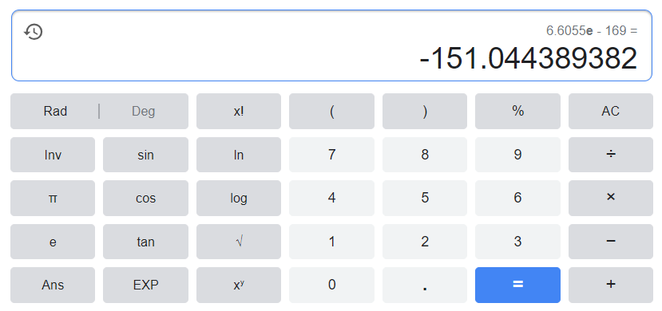
 |  | Calculate the value in the Scientific calculator =

 |  |  | Chi Square Test Value = ( -151.044 )

Conclusion : Since the Test Value is Less that the confidence value , we shall accept the ALTERNATE HYPOTHESIS . Hence we can state that There is direct relationship between Smoker and Cancer occurance.

